Case #1
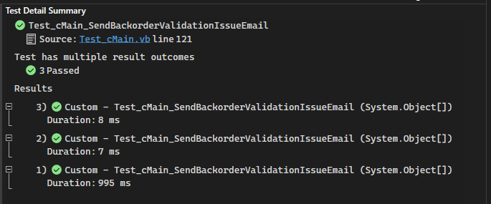
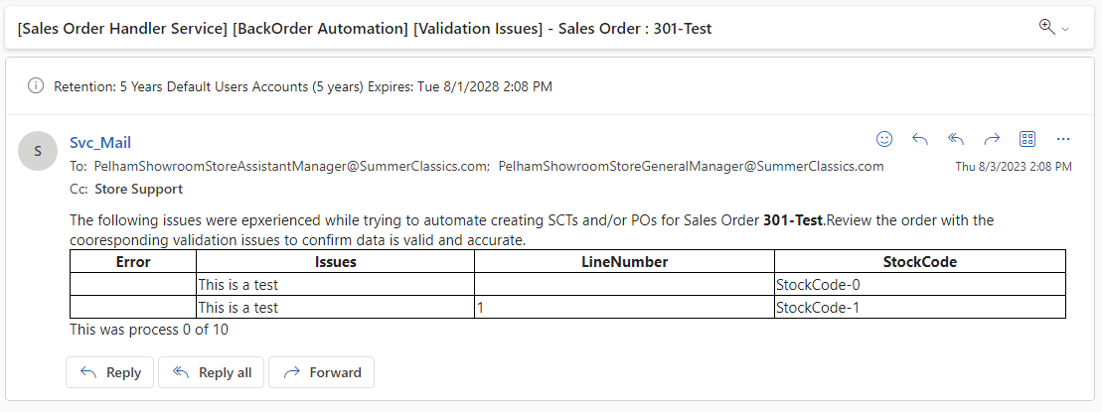
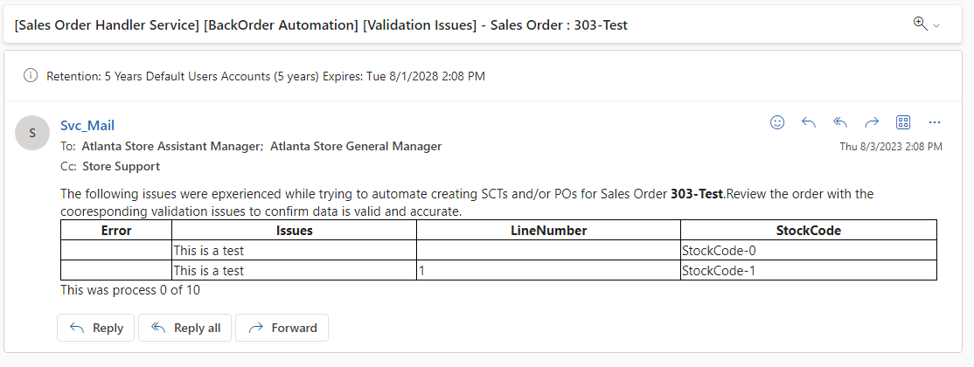
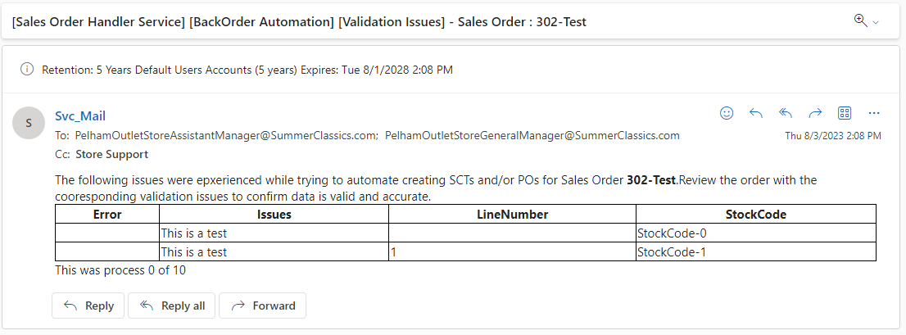
Justin Pope Dev Test
Test Case No. |  | 1
Process |  | Unit Testing
Test Consideration |  | 1) SSMS 2) Visual Studio
Test Condition |  |  | Data Used | How To Verify | Actual Results
Tasks
 |  | Unit Testing |  |  | Screen Shots below
Configuration/Data Setup for Testing Scenario
Verification
Test Cast Screens Shots Before and After

 | Unit Test: | Test_cDataContext_GetEmailRepsByBranch
 | Description | Within visual studio, this test executes functions and sql procedures to build the list of recipients that will receive emails. The list is built on Branch and Email Type to fetch the recipients.
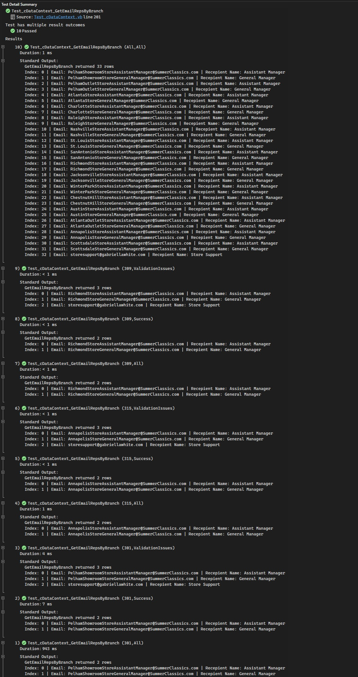

 | Unit Test: | Test_cMain_SendBackorderSuccessEmail
 | Description | This function executes the methods in order to send an email for a successful Back Order process.
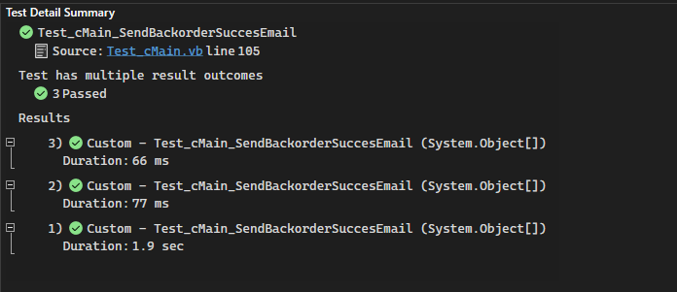

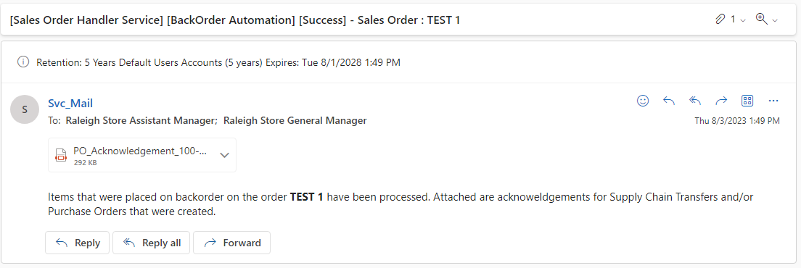

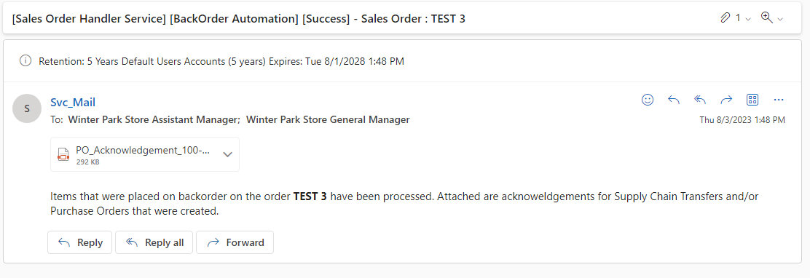

 | Unit Test: | Test_cMain_SendBackorderValidationIssueEmail
 | Description | This function executes the methods in order to send an email for a validation issues during Back Order process.

Case #2
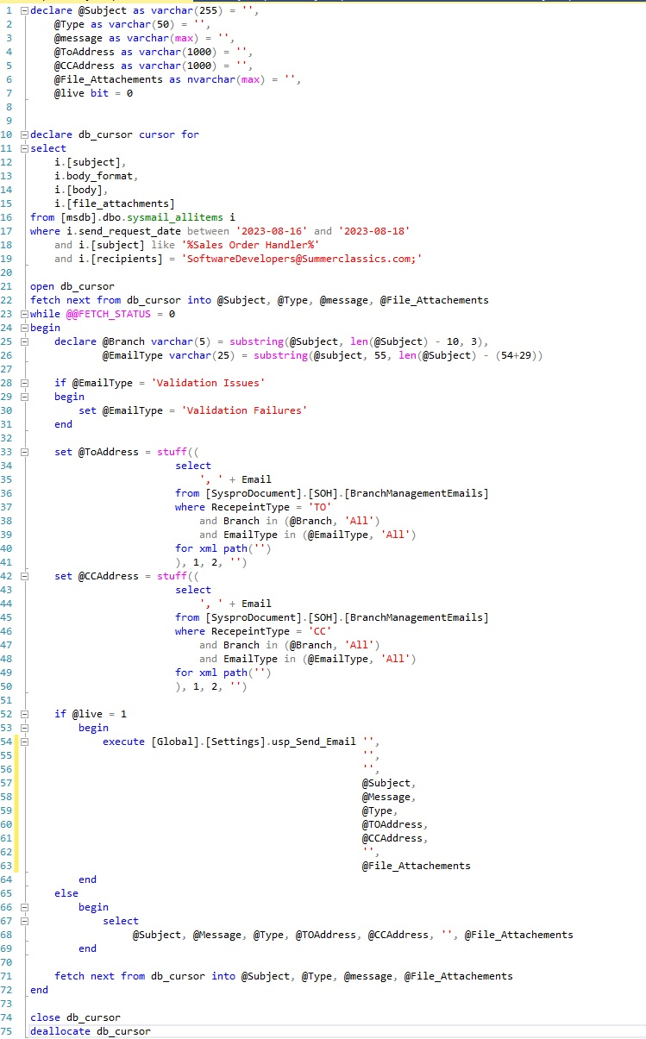
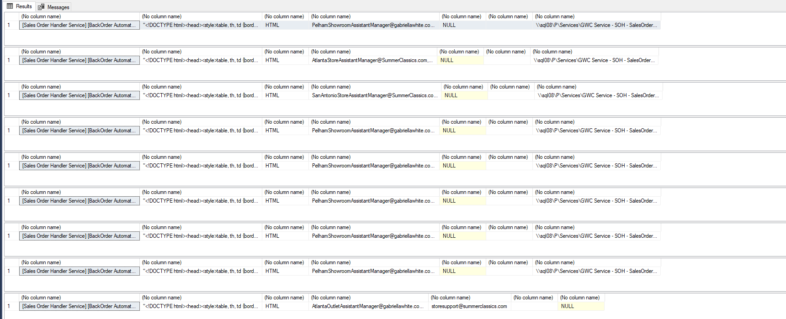
Justin Pope Dev Test
Test Case No. |  | 1
Process |  | Production Issues
Test Consideration |  | 0
Test Condition |  |  | Data Used | How To Verify | Actual Results
Tasks

Configuration/Data Setup for Testing Scenario

Verification

Test Cast Screens Shots Before and After

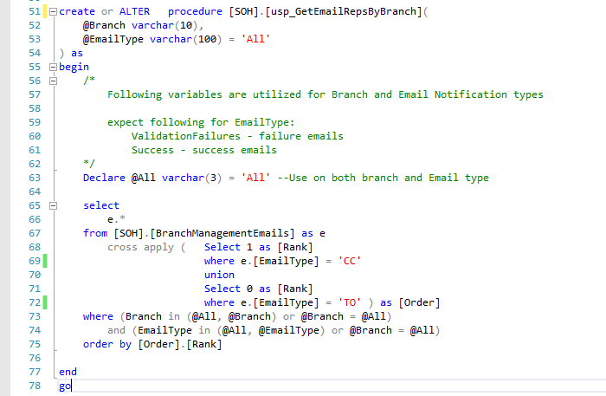

 |  | Above picture highlights the issue, EmailType was used instead of RecepeintType. Below shows the correct procedure

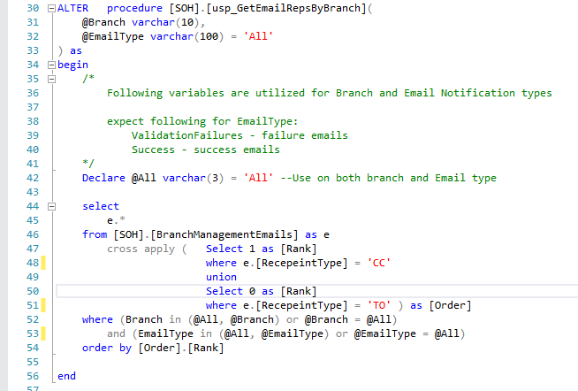

 | reran unit test
 | Unit Test: | Test_cDataContext_GetEmailRepsByBranch
 | Description | Within visual studio, this test executes functions and sql procedures to build the list of recipients that will receive emails. The list is built on Branch and Email Type to fetch the recipients.

 | Following Script to resend emails
 | This was tested with Production data

